Projects
FDev.Rules.
UI.GenericEngine

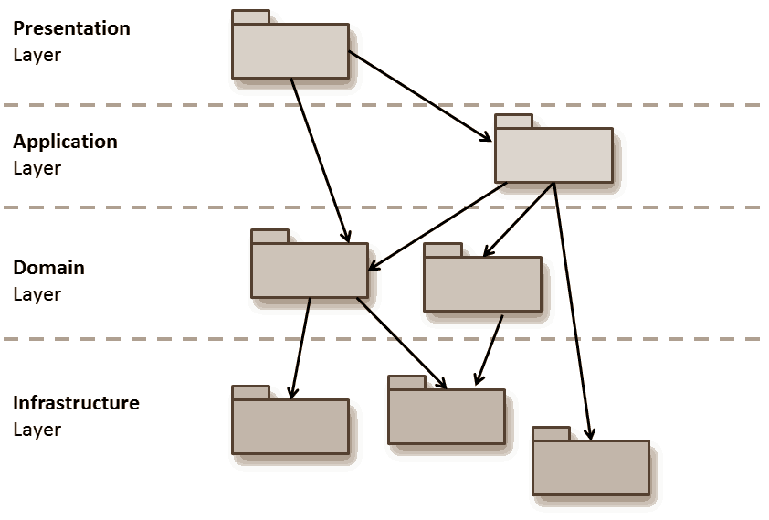

FDev.Rules.
SharedAppLayer
----------------
FDev.Rules.GenericEngine
----------------
FDev.Rules.OrderCalculator

FDev.Rules.
Domain
FDev.Rules.
Core

FDev.Rules.
Infrastructure

SQL SERVER

